About
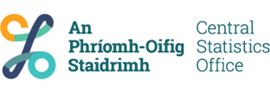

Table
Code | QSQ03
Name | Industrial Stocks
Last Updated | 02/12/2020 11:00:00
Note
Url | https://ws.cso.ie/public/api.restful/PxStat.Data.Cube_API.ReadDataset/QSQ03/XLSX/2007/en

Product
Code | IS
Name | Industrial Stocks

Contacts
Name | Stephanie Kelleher
Email | business_stats@cso.ie
Phone | (+353) 21 453 5123

Copyright
Code | CSO
Name | Central Statistics Office, Ireland
Url | https://www.cso.ie/

Properties
Official Statistics | Yes
Exceptional | No
Archived | No
Analytical | No
Experimental | No

Language
ISO Code | en
ISO Name | English

